CO2 Zertifikatspreis
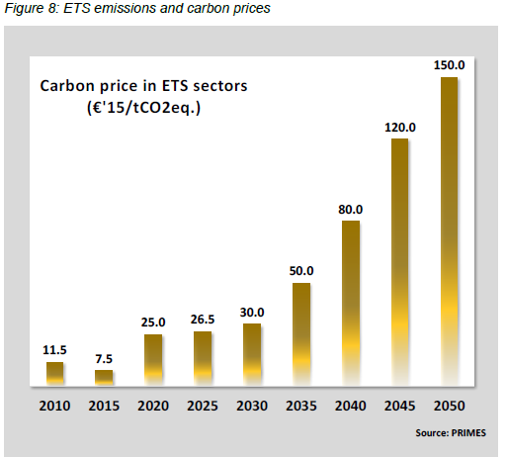
EU Reference Scenario 2020
https://ec.europa.eu/energy/data-analysis/energy-modelling/eu-reference-scenario-2020_en

 | 2010 | 2015 | 2020 | 2025 | 2030 | 2035 | 2040 | 2045 | 2050 | Source: Primes
Carbon price in ETS sectors [Euro/tCO2eq.] | 11.5 | 7.5 | 25 | 26.5 | 30 | 50 | 80 | 120 | 150 | Euro/tCO2eq.

Passenger Transport Activity
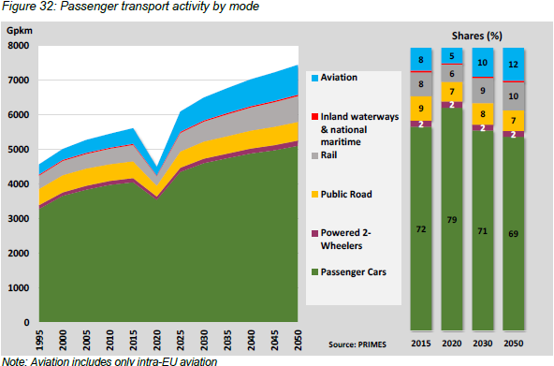
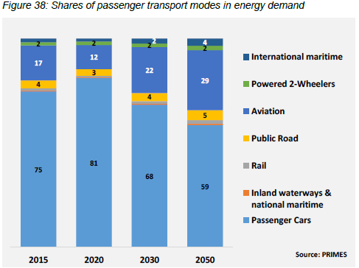
EU Reference Scenario 2020
https://ec.europa.eu/energy/data-analysis/energy-modelling/eu-reference-scenario-2020_en

Shares | 2015 | 2020 | 2030 | 2050
Aviation | 8 | 5 | 10 | 12
Inland waterways und national maritime | 1 | 1 | 0 | 0
Rail | 8 | 6 | 9 | 10
Public Road | 9 | 7 | 8 | 7
Powerd 2-Wheelers | 2 | 2 | 2 | 2
Passenger Cars | 72 | 79 | 71 | 69
 | 100 | 100 | 100 | 100

Freight Transport Activity
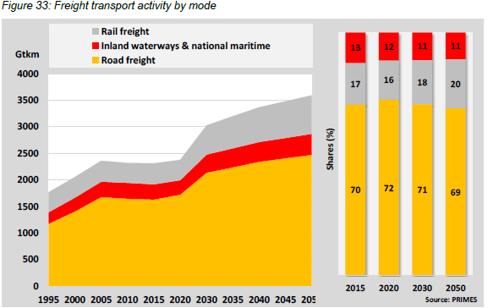
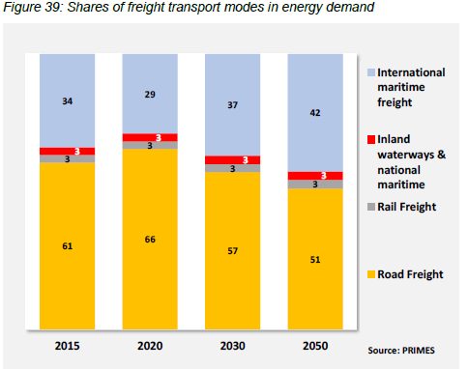
EU Reference Scenario 2020
https://ec.europa.eu/energy/data-analysis/energy-modelling/eu-reference-scenario-2020_en

Shares | 2015 | 2020 | 2030 | 2050
Inland waterways and national maritime | 13 | 12 | 11 | 11
Rail freight | 17 | 16 | 18 | 20
Road freight | 70 | 72 | 71 | 69
 | 100 | 100 | 100 | 100

Total Energy demand transport
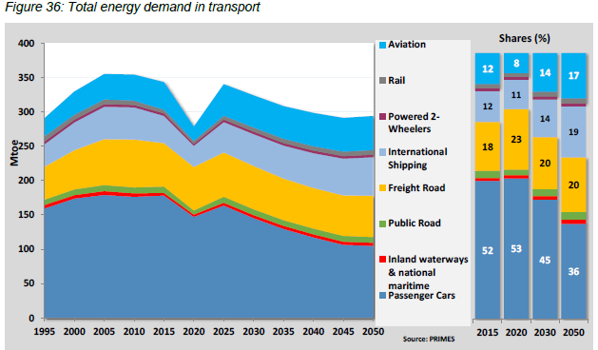
EU Reference Scenario 2020
https://ec.europa.eu/energy/data-analysis/energy-modelling/eu-reference-scenario-2020_en

Shares | 2015 | 2020 | 2030 | 2050
Aviation | 12 | 8 | 14 | 17
Rail | 2 | 2 | 2 | 2
Powered 2 Wheelers | 1 | 1 | 1 | 1
International Shipping | 12 | 11 | 14 | 19
Freight Road | 18 | 23 | 20 | 20
Public Road | 2 | 1 | 3 | 3
Inland waterways und national maritime | 1 | 1 | 1 | 2
Passenger cars | 52 | 53 | 45 | 36
 | 100 | 100 | 100 | 100

Energy Consumption by fuel
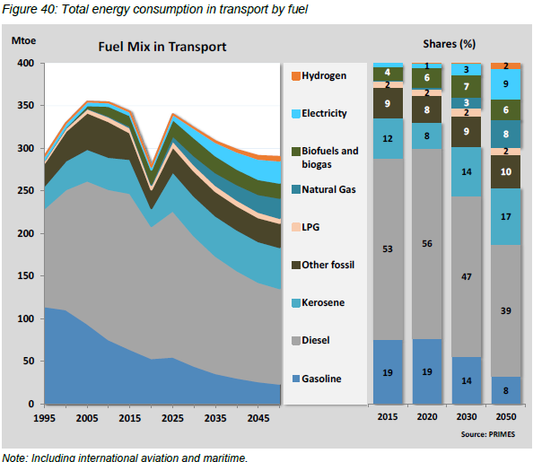
EU Reference Scenario 2020
https://ec.europa.eu/energy/data-analysis/energy-modelling/eu-reference-scenario-2020_en

Shares | 2015 | 2020 | 2030 | 2050
Hydrogen | 0 | 0 | 0 | 2
Electricity | 1 | 1 | 3 | 9
Biofuls and biogas | 4 | 6 | 7 | 6
Natural Gas | 0 | 0 | 3 | 8
LPG | 2 | 2 | 2 | 2
Other fossil | 9 | 8 | 9 | 10
Kerosene | 12 | 8 | 14 | 17
Diesel | 53 | 56 | 47 | 39
Gasoline | 19 | 19 | 14 | 8
 | 100 | 100 | 99 | 101

Trucks Fuel Type
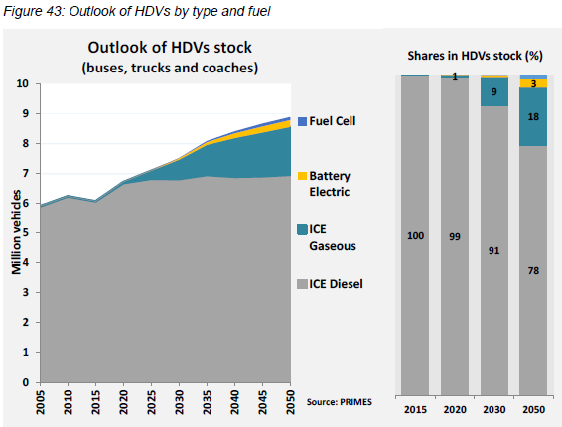
EU Reference Scenario 2020
https://ec.europa.eu/energy/data-analysis/energy-modelling/eu-reference-scenario-2020_en

Shares | 2015 | 2020 | 2030 | 2050
Fuel Cell | 0 | 0 | 0 | 1
Battery Electric | 0 | 0 | 0 | 3
ICE Gaseous | 0 | 1 | 9 | 18
ICE Diesel | 100 | 99 | 91 | 78
 | 100 | 100 | 100 | 100

PKW Antriebsart
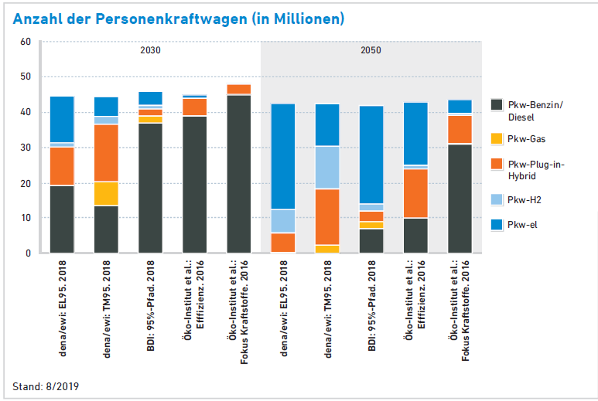
https://www.bmu.de/fileadmin/Daten_BMU/Pools/Forschungsdatenbank/fkz_um_11_96_106_elektromobilitaet_bf.pdf
eMobil 2050 | Mrd. km
Szenarien zum möglichen Beitrag des elektrischen Verkehrs zum langfristigen Klimaschutz, Berlin, September 2014 | Grenzenlos eMobil | 2010 | 2020 | 2030 | 2040 | 2050
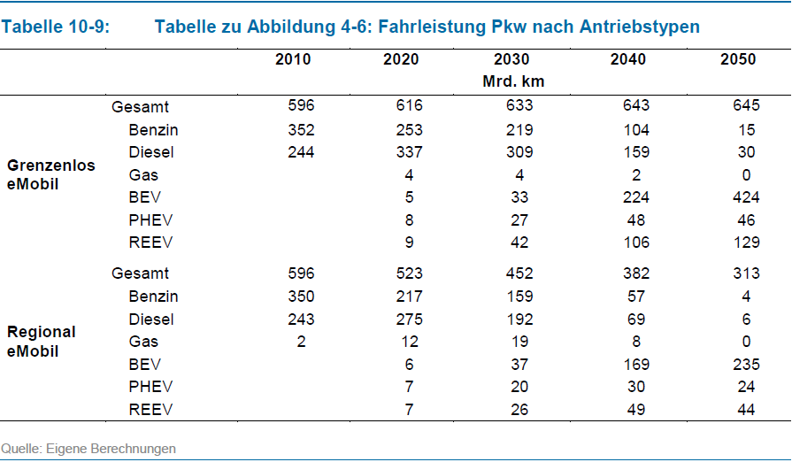
 | Gesamt | 596 | 616 | 633 | 643 | 645
 | Benzin | 352 | 253 | 219 | 104 | 15
 | Diesel | 244 | 337 | 309 | 159 | 30
 | Gas | 0 | 4 | 4 | 2 | 0
 | BEV | 0 | 5 | 33 | 224 | 424
 | PHEV | 0 | 8 | 27 | 48 | 46
 | REEV | 0 | 9 | 42 | 106 | 129

 | Percentages | 2010 | 2020 | 2030 | 2040 | 2050

 | Benzin | 0.59060402685 | 0.41071428571 | 0.34597156398 | 0.16174183515 | 0.023255813953
 | Diesel | 0.40939597315 | 0.54707792208 | 0.48815165877 | 0.24727838258 | 0.046511627907
 | Gas | 0 | 0.0064935064935 | 0.0063191153239 | 0.0031104199067 | 0
 | BEV | 0 | 0.0081168831169 | 0.052132701422 | 0.34836702955 | 0.65736434109
 | PHEV | 0 | 0.012987012987 | 0.042654028436 | 0.07465007776 | 0.071317829457
 | REEV | 0 | 0.01461038961 | 0.0663507109 | 0.16485225505 | 0.2

https://ec.europa.eu/eurostat/documents/3217494/11478276/KS-DK-20-001-EN-N.pdf/06ddaf8d-1745-76b5-838e-013524781340?t=1605526083000
Energy, transport and environment statistics 2020 edition
European Commission, 2020
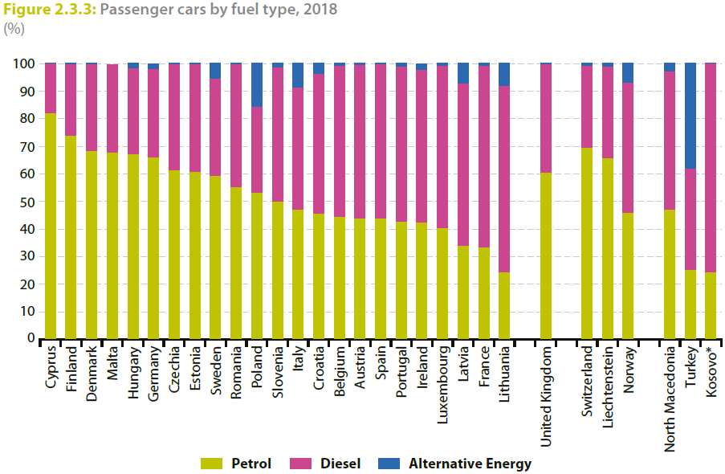

Grüne Metastudie Gas
https://www.gruene-bundestag.de/fileadmin/media/gruenebundestag_de/themen_az/energie/gruene-metastudie-gas-nov-2019.pdf

Sattelzug Antriebsart
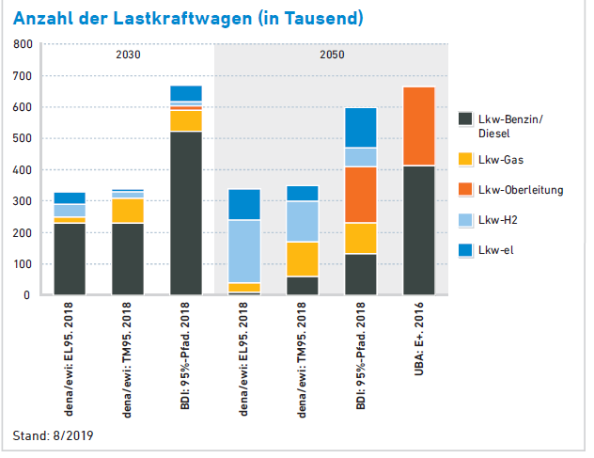
https://www.bmu.de/fileadmin/Daten_BMU/Pools/Forschungsdatenbank/fkz_um_11_96_106_elektromobilitaet_bf.pdf
eMobil 2050
Szenarien zum möglichen Beitrag des elektrischen Verkehrs zum langfristigen Klimaschutz, Berlin, September 2014
 | Mrd. km
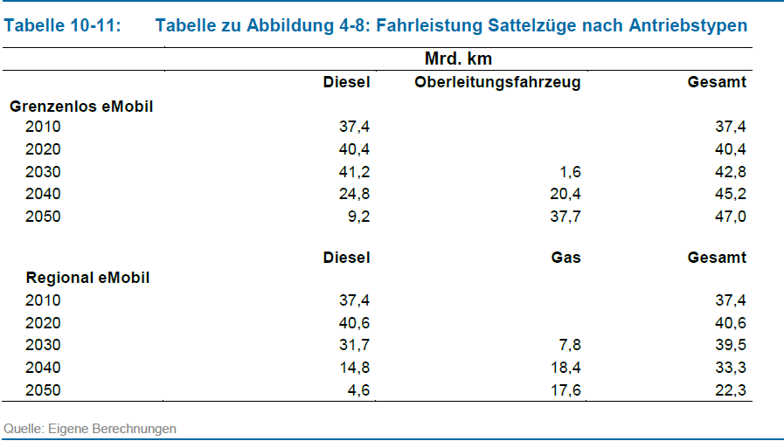
 | Grenzenlos eMobil | 2010 | 2020 | 2030 | 2040 | 2050
 | Gesamt | 37.4 | 40.4 | 42.8 | 45.2 | 47
 | Diesel | 37.4 | 40.4 | 41.2 | 24.8 | 9.2
 | Oberleitungsfahrzeug | 0 | 0 | 1.6 | 20.4 | 37.7

 | Percentages | 2010 | 2020 | 2030 | 2040 | 2050

 | Diesel | 1 | 1 | 0.96261682243 | 0.54867256637 | 0.19574468085
 | Oberleitungsfahrzeug | 0 | 0 | 0.03738317757 | 0.45132743363 | 0.80212765957

Grüne Metastudie Gas
https://www.gruene-bundestag.de/fileadmin/media/gruenebundestag_de/themen_az/energie/gruene-metastudie-gas-nov-2019.pdf

LKW+Leicht Nutzfahrzeuge
https://www.bmu.de/fileadmin/Daten_BMU/Pools/Forschungsdatenbank/fkz_um_11_96_106_elektromobilitaet_bf.pdf
eMobil 2050
Szenarien zum möglichen Beitrag des elektrischen Verkehrs zum langfristigen Klimaschutz, Berlin, September 2014
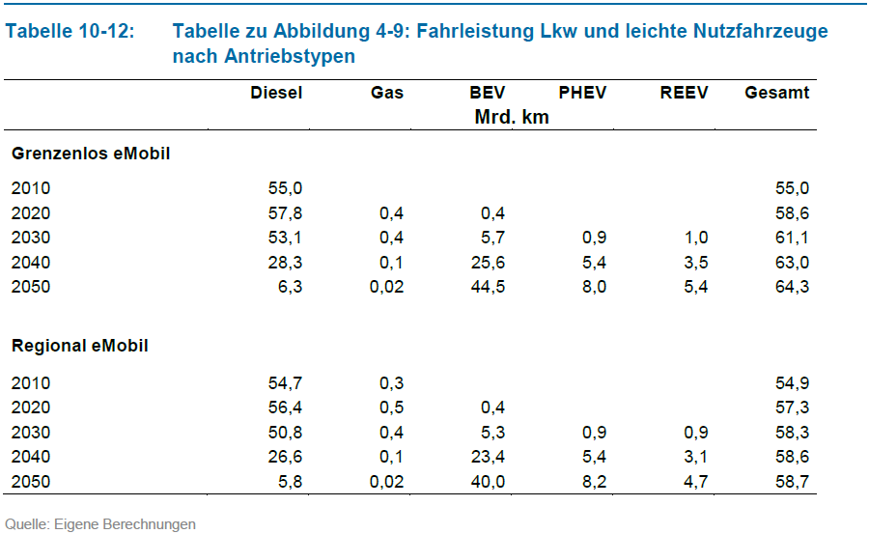
 | Mrd. km
 | Grenzenlos eMobil | 2010 | 2020 | 2030 | 2040 | 2050
 | Gesamt | 55 | 58.6 | 61.1 | 63 | 64.3
 | Diesel | 55 | 57.8 | 53.1 | 28.3 | 6.3
 | Gas | 0 | 0.4 | 0.4 | 0.1 | 0.02
 | BEV | 0 | 0.4 | 5.7 | 25.6 | 44.5
 | PHEV | 0 | 0 | 0.9 | 5.4 | 8
 | REEV | 0 | 0 | 1 | 3.5 | 5.4

 | Percentages | 2010 | 2020 | 2030 | 2040 | 2050

 | Diesel | 1 | 0.98634812287 | 0.86906710311 | 0.44920634921 | 0.097978227061
 | Gas | 0 | 0.0068259385666 | 0.0065466448445 | 0.0015873015873 | 0.00031104199067
 | BEV | 0 | 0.0068259385666 | 0.093289689034 | 0.40634920635 | 0.69206842924
 | PHEV | 0 | 0 | 0.0147299509 | 0.085714285714 | 0.12441679627
 | REEV | 0 | 0 | 0.016366612111 | 0.055555555556 | 0.083981337481

Busse
https://www.bmu.de/fileadmin/Daten_BMU/Pools/Forschungsdatenbank/fkz_um_11_96_106_elektromobilitaet_bf.pdf
eMobil 2050
Szenarien zum möglichen Beitrag des elektrischen Verkehrs zum langfristigen Klimaschutz, Berlin, September 2014
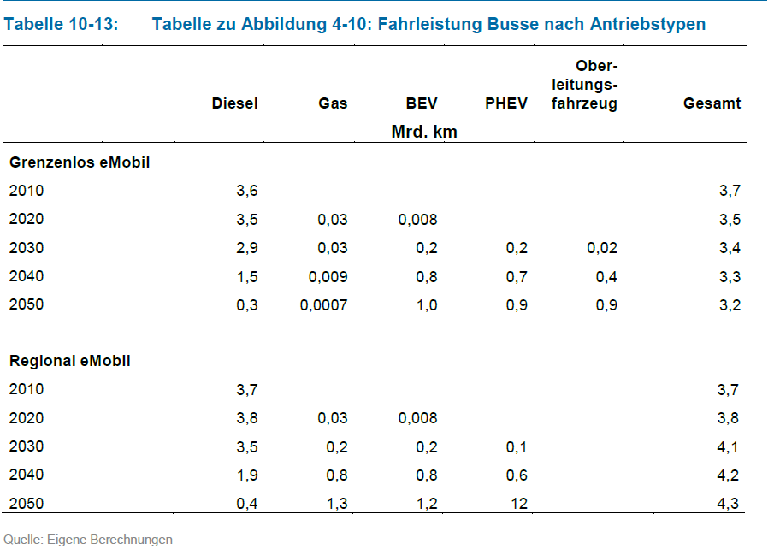
 | Mrd. km
 | Grenzenlos eMobil | 2010 | 2020 | 2030 | 2040 | 2050
 | Gesamt | 3.7 | 3.5 | 3.4 | 3.3 | 3.2
 | Diesel | 3.6 | 3.5 | 2.9 | 1.5 | 0.3
 | Gas | 0 | 0.03 | 0.03 | 0.009 | 0.0007
 | BEV | 0 | 0.008 | 0.2 | 0.8 | 1
 | PHEV | 0 | 0 | 0.2 | 0.7 | 0.9
 | Oberleitungsfahrzeug | 0 | 0 | 0.02 | 0.4 | 0.9

 | Percentages | 2010 | 2020 | 2030 | 2040 | 2050

 | Diesel | 0.97297297297 | 1 | 0.85294117647 | 0.45454545455 | 0.09375
 | Gas | 0 | 0.0085714285714 | 0.0088235294118 | 0.0027272727273 | 0.00021875
 | BEV | 0 | 0.0022857142857 | 0.058823529412 | 0.24242424242 | 0.3125
 | PHEV | 0 | 0 | 0.058823529412 | 0.21212121212 | 0.28125
 | Oberleitungsfahrzeug | 0 | 0 | 0.0058823529412 | 0.12121212121 | 0.28125
 | Summe | 0.97297297297 | 1.0108571429 | 0.98529411765 | 1.033030303 | 0.96896875

Allgemein
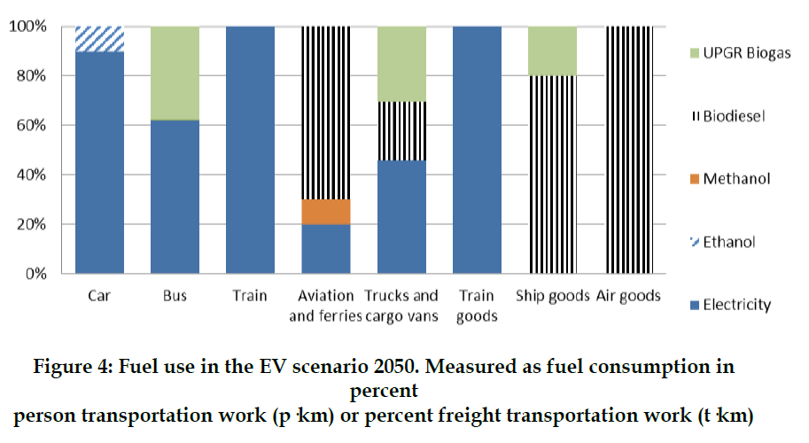
Use of electric vehicles or hydrogen in the Danish transport sector

